Basic Instructions
 |  |  | STATISTICAL OFFICE OF THE EUROPEAN UNION
ANNUAL REPORTING OF MUNICIPAL WASTE
2021 DATA COLLECTION

BASIC INSTRUCTIONS
This questionnaire is designed to collect municipal waste statistics and related reporting obligations together. It contains 4 tables, each of them with their corresponding quality report; each of the quality reports needs to be filled in and transmitted together with their corresponding data transmissions.
Table 1 - JQ contains the joint questionnaire (JQ) of Eurostat and OECD on municipal waste statistics. Table 2 - Material breakdown collects data according to Article 11(2) of Directive 2008/98/EC on waste and Annex V of Implementing Decision 2019/1004, which became mandatory from the reference year 2020. Table 3 - Recycling rate is only to be used if a Member State wants to prove compliance with the target under point (a) of Article 11(2) of Directive 2008/98/EC until the reference year 2025 Table 4 - Landfill rate collects the variables required under Article 5(5) of Directive 1999/31/EC on the landfill of waste and the Annex II of Decision 2019/1885/EC
Before filling in the questionnaire please read carefully the instructions below. This EXCEL workbook is the questionnaire. Please do not delete or add rows in the questionnaire (except where instructed in the quality report tab).
For table 1 we kindly ask you to send us the data latest by 19 November 2021
For tables 2 to 4, please send the data by 19 November 2021 if possible, if not possible we kindly ask you to send it as soon as possible but at the latest by 30 June 2022
Please identify the situation in your country using the flow chart below before proceeding to fill the questionnaire in, and proceed following the indications in the flow chart.
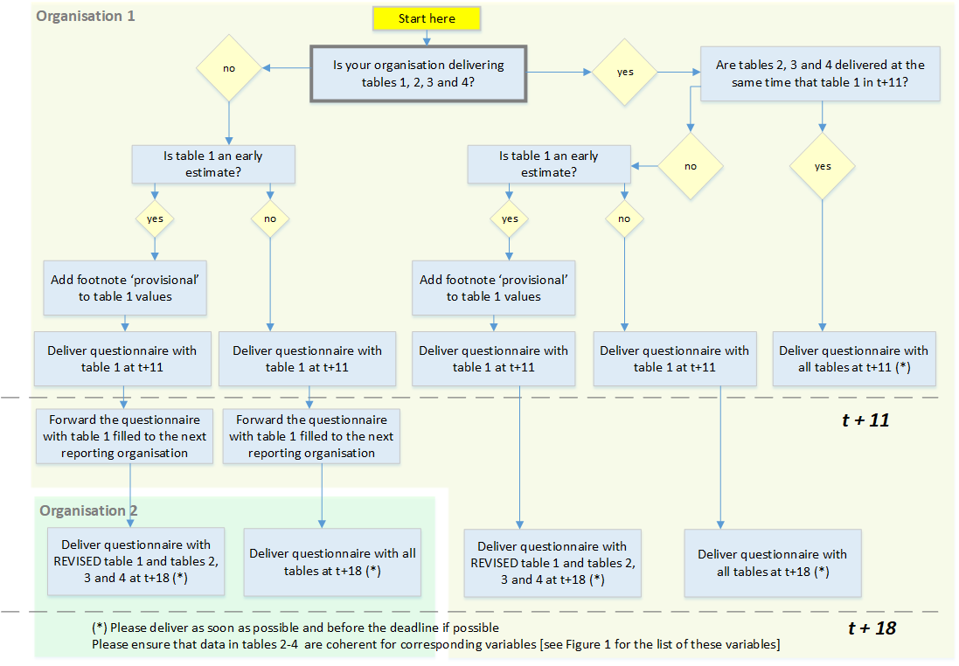

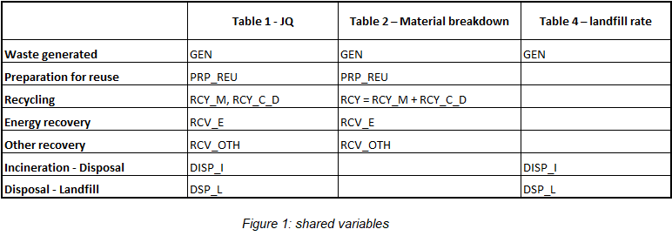

Table of contents
1. Data transmission
2. Reporting conventions
3. Footnotes
4. Revisions
4. Methodology and questions
Annex: How to fill in the data sheets of the questionnaire

1. Data transmission:

The standard tool for the transmission of statistical data is the eDAMIS system. The system creates a secure environment for the transmission of data, it records all data submissions and acknowledges the data delivery. The eDAMIS system has been installed in the National Statistical Institutes.

Please submit this questionnaire to Eurostat using the eDAMIS reporting system. Use the following details:
Domain name: | WASTE
Dataset name: | WASTE_MUNWDAT_A

Should you have any questions regarding data transmission do not hesitate to contact your local eDAMIS coordinator or the Eurostat eDAMIS helpdesk at:
web page: | https://webgate.ec.europa.eu/edamis/helpcenter/website/index.htm
e-mail address: | estat-support-edamis@ec.europa.eu
telephone: | (+352) 4301 33213
For methodological questions please contact:
e-mail address: | ESTAT-WASTE-STATISTICS@EC.EUROPA.EU

2. Reporting conventions:

Reporting of zeroes and not availble data must follow this convention:
Description | Symbol
Real zero | 0
Not available |  | (empty cell)

1. White shaded (uncoloured) boxes: Provision of data is mandatory under law or under a gentlemen's agreement.
2. Light blue shaded boxes: Provision of data is voluntary
3. Black shaded boxes: reporting is not applicable
4. Grey shaded boxes: calculation is automatic.

3. Footnotes:

Flags (footnote symbols) should be entered in the reporting tables in the footnote columns, next to the value cell. There are two types of footnotes:
- Letters for standard footnotes (as defined by Eurostat) and…
- Numbers for explanatory footnotes (to be defined by the data compilers).

3.1 Standard footnotes
The following footnotes will be used for the automatic data processing and data dissemination. Hence, they cannot be changed:
B) break in series | Please use this flag when the reported figure cannot be compared to the data reported for the previous year, e.g. because of new methods or sources being used or when you move from the old calculation rules (as described in annex I of Commission Decision 2011/753/EU) to the new calculation rules (as described in Article 11(b) of Directive 2008/98/EC). Please use this flag only when the change in methods, sources or calculation rules has a substantial impact and makes data uncomparable.
E) estimated data
P) provisional | Please use this flag for deliveries of table 1 that can be considered as early estimates at t+11 according to the flow chart above
To include standard footnotes use the drop-down menu.

3.2 Explanatory footnotes
The explanatory footnotes can be used for any meaning beyond the pre-defined footnotes.
To include a explanatory footnote, please first insert the text in the “Footnote list” sheet starting from number 1. Then in the data table please select the corresponding footnote reference number from the drop-down menu in the footnote column next to the value cell. The text you entered in the “Footnote list” sheet will then appear automatically next to the footnote reference number. The same explanatory footnote can be chosen for all the values for which the same explanation applies. If by mistake a number is chosen from the drop-down menu, it is sufficient to press the key delete to clean the cell.
Please do not report footnotes that elaborate on e.g. source data and compilation methods; these are to be described in the quality report sheet.
4. Revisions

For sending data revisions of previous years, please use this questionnaire changing the reference year in sheet GETTING STARTED

Please, note that empty tables will not overwrite old data, so you need not fill all tables again if you want to revise one table. In case you want to delete a whole table without replacing it with new data, we kindly ask you to send us an email. If you send a table that contains data, it will overwrite the old table. Empty cells in a filled table in the latest received questionnaire will overwrite cells that contain a value with “empty”.

5. Methodology and questions:

The guidelines to report on municipal waste are available on Eurostat website:
https://ec.europa.eu/eurostat/web/waste/methodology

The guidelines contain definitions, examples and recommendations to ensure data are compiled and maintained on consistent basis. They explain the scope and reasoning behind the terms of the tables, and provide extra information necessary to allow a consistent collection and interpretation of the data to be reported by countries. A great effort has been put into increasing coherence and providing guideline users with practical recommendations. Full implementation of these recommendations should help to ensure that data are compiled and maintained on a consistent basis.
If you have questions, please send them to the following email addresses:
ESTAT-WASTE-STATISTICS@EC.EUROPA.EU

Annex: How to fill in the data sheets of the questionnaire

1) All mandatory data cells must be filled in with a value. In the questionnaire all these cells are uncoloured.
2) Flags (footnote symbols) can be entered in the reporting tables in the footnote columns.
3) To include standard footnotes use the drop-down menu.
4) The text of explanatory footnotes can be entered in the worksheet 'Footnotes list'.
5) Complete the quality reports, providing as much information as possible.

